Sheet1
 | Document No. |  |  | Issue No. | Issue Date |  |  | Review and Replace Date |  |  | Authorised By
 | GFF274MC |  |  | 2 | 26.05.2021 |  |  | 10.06.2021
 | Document Title |  |  | Indian Meal Box for 1 - 650g
 |  |  |  |  |  |  |  |  |  |  | Magda Shah
Document amendments reason for change | Nisa customer added |  |  | Page 1 of 1 |  | Previous Issue Date |  |  | 26.05.2021 |  | Uncontrolled copy unless signed original

CINDML1-R4TCC & CINDML1-R2TCC |  |  | DUNNES & NISA (CC) |  |  |  | Indian Meal Box for 1 - 650g | CHILLED
STEP 1 |  |  |  |  |  |  |  |  |  | STEP 2
Tray: EVOLVE 2200-2C (PKRHP001-12) |  |  |  |  |  |  |  |  |  | Tray:EVOLVE 2200-1E(PKRHP001-08)
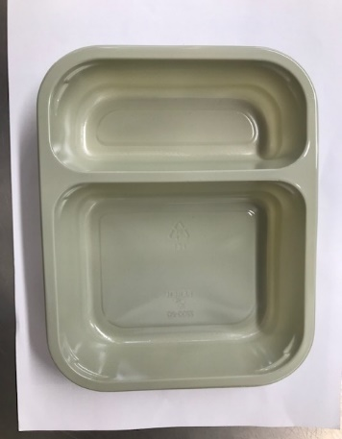 |  | 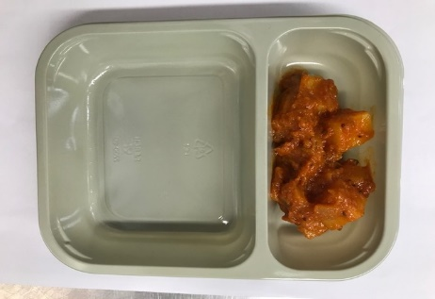 |  | 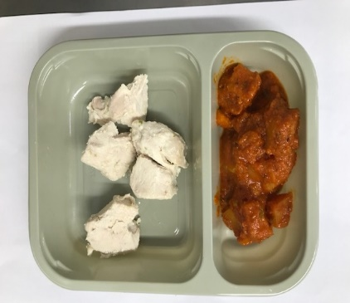 |  |  | 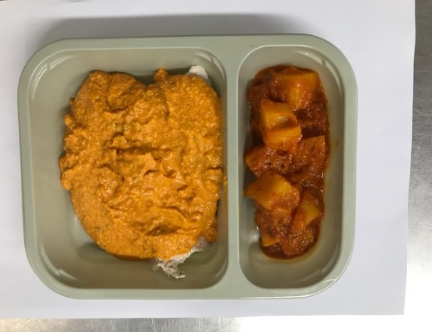 |  |  | 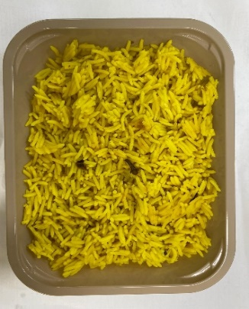

Tray: EVOLVE 2200-2C (PKRHP001-12) |  | Bombay Potato (GFF128R): 100g |  | British Diced Chicken 12-14g (GFF164R): 50g |  |  |  |  |  | Pilau Rice (GFF143R): 200g
 |  |  |  | Tikka Masala Sauce (GFF141R): 170g
LINE 1 and Line 2: K-Peel 75G + AF 25 250mm (PKKMP001-01)
STEP 3
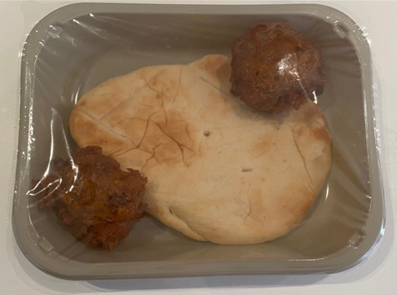 |  |  |  |  |  |  |  |  | 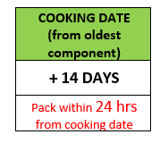
2 ONION BHAJI 60g
1 MINI NAAN BREAD 70g

Use by for Onion Bhaji & Naan Bread to be applied from NAAN BREAD being taken out of freezer

2 x Onion Bhaji (GFF121R) 30g: 60g |  |  |  | 1 Mini Naan Bread (RMSOU0011-03) : 70g |  |  |  |  | Total Weight: 650g
Packaging: EVOLVE 2200-1E (PKRHP001-08)
ALLERGY ALERT: Milk, Barley, Nuts, Mustard, Wheat

